Lamps
Brand | Model # | Description | Retail Price | Photo | Qty | Pallets
Home Decorators Collection | 1001220168 | Aspetto 1-Light Chrome Convertible Semi-Flush Mount Pendant with Opal Glass | $54.97 | 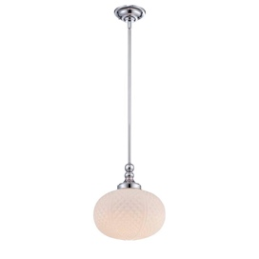 | 114 | 3 | $6,266.58
Hampton Bay | 1000037500 | Charenton 3-Light Brushed Nickel Wall Vanity Fixture | $59.96 | 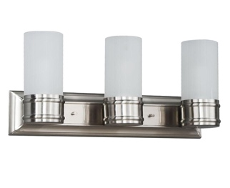 | 172 | 2 | $10,313.12
Hampton Bay | 1001255122 | 2-light Chrome Bath Bar Light With Frosted White Glass | $52.97 | 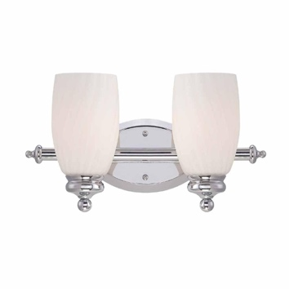 | 440 | 6 | $23,306.80
Hampton Bay | 512220 | Essex 3-Light Aged Black Chandelier with Tea Stained Glass Shades | $149.00 | 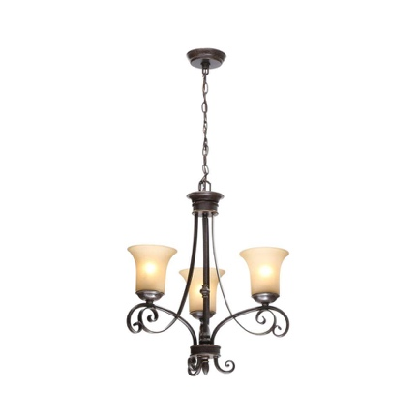 | 242 | 8 | $36,058.00
Hampton Bay | 1001392682 | 3-Light Oil-Rubbed Bronze Pendant with Burlap Drum Shade and Hardwire or Plug In Kit | $69.97 | 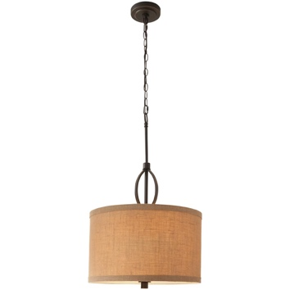 | 215 | 8 | $15,043.55
Home Decorators Collection | 1001789674 | Carousel 3-Light Burnished Gold Pendant with Frosted Glass Diffuser | $169.00 | 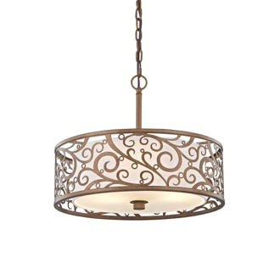 | 330 | 9 | $55,770.00
Hampton Bay | 1001 257 018 | Hampton Bay Reims 2-Light Antique Bronze Semi-Flush Mount Light | $69.97 | 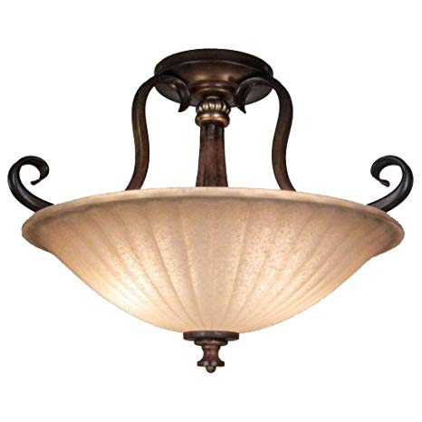 | 74 | 2 | $5,177.78
Defiant | 1002 076252 | Defiant Black Outdoor LED Dusk to Dawn Wall Mount Area Flood Light | $29.97 | 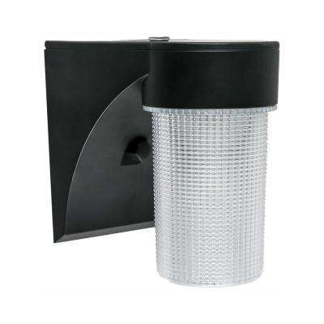 | 90 | 1 | $2,697.30
Hampton Bay | 799026 | 44 in. 3-Light Brushed Steel Track Lighting Kit | $54.86 | 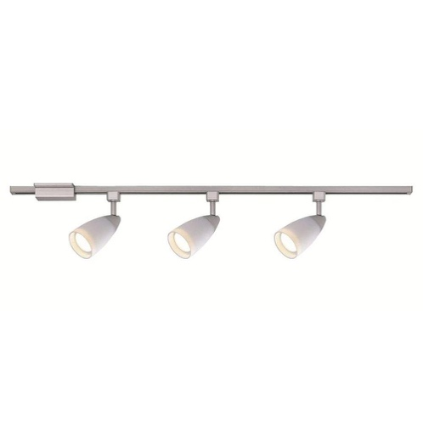 | 320 | 1 | $17,555.20
Commercial Electric | 74104 | 4 ft. 1-Light 30-Watt White Integrated Utility LED Shop Light with Pull Chain | $24.97 | 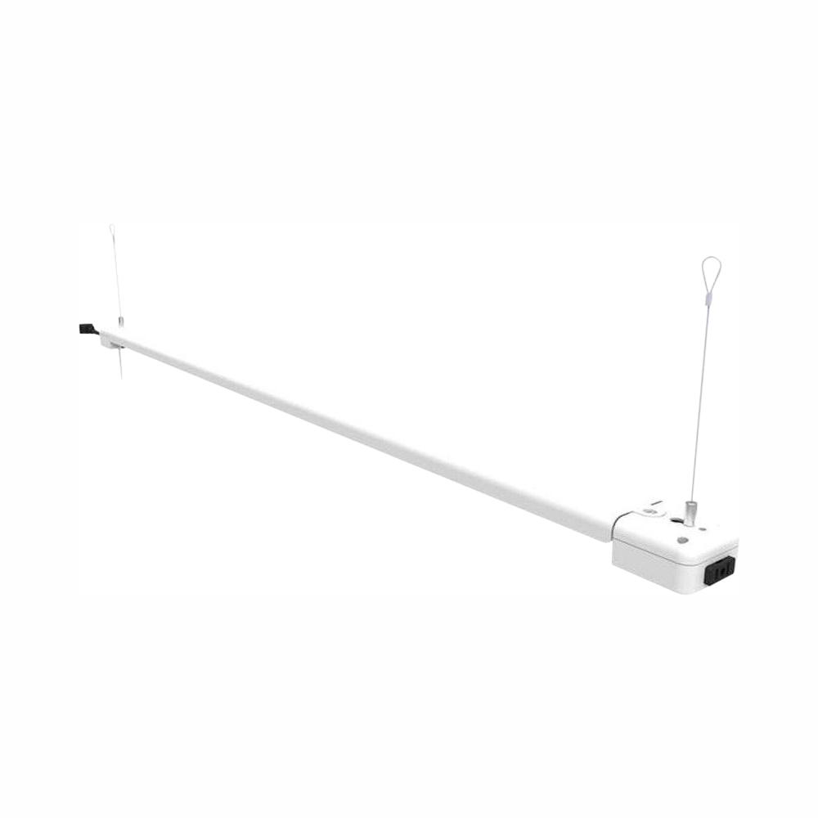 | 584 | 2 | $14,582.48
Home Decorators Collection | TNP18164 | 1-Light Polished Chrome Pendant with Water Cube Glass Shade | $18.00 | 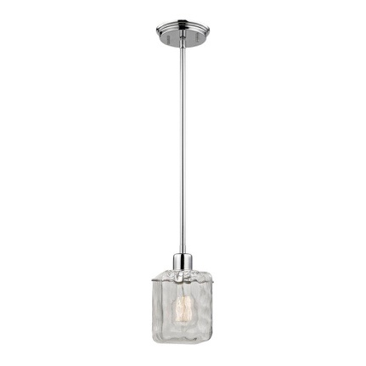 | 50 | 1 | $900.00
Hampton Bay | EC-6 SL | Lake Point 6-Light Chrome and Clear Crystal Chandelier | $209.00 | 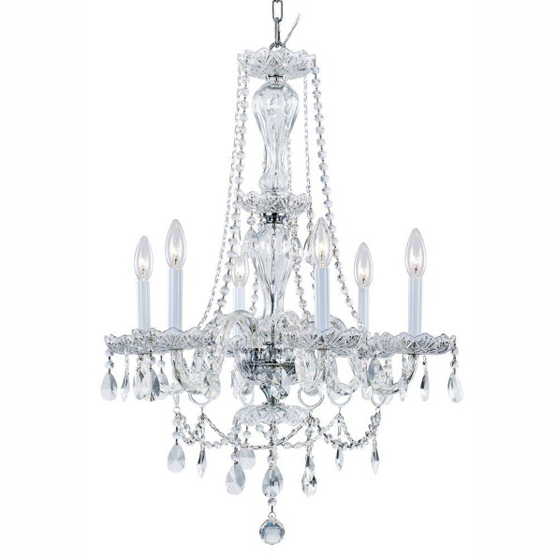 | 44 | 2 | $9,196.00
Home Decorators Collection | 15343 | 3-Light Chrome Bath Vanity Light with Bell Shaped Etched White Glass | $59.94 | 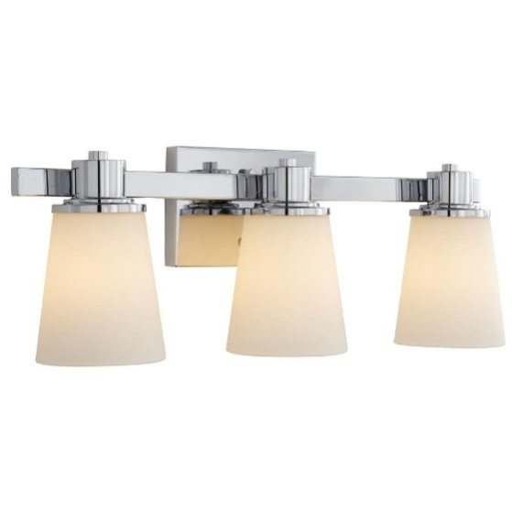 | 40 | 1 | $2,397.60
Home Depot | 13502 | Diamond 1-Light White Pendant | $29.97 | 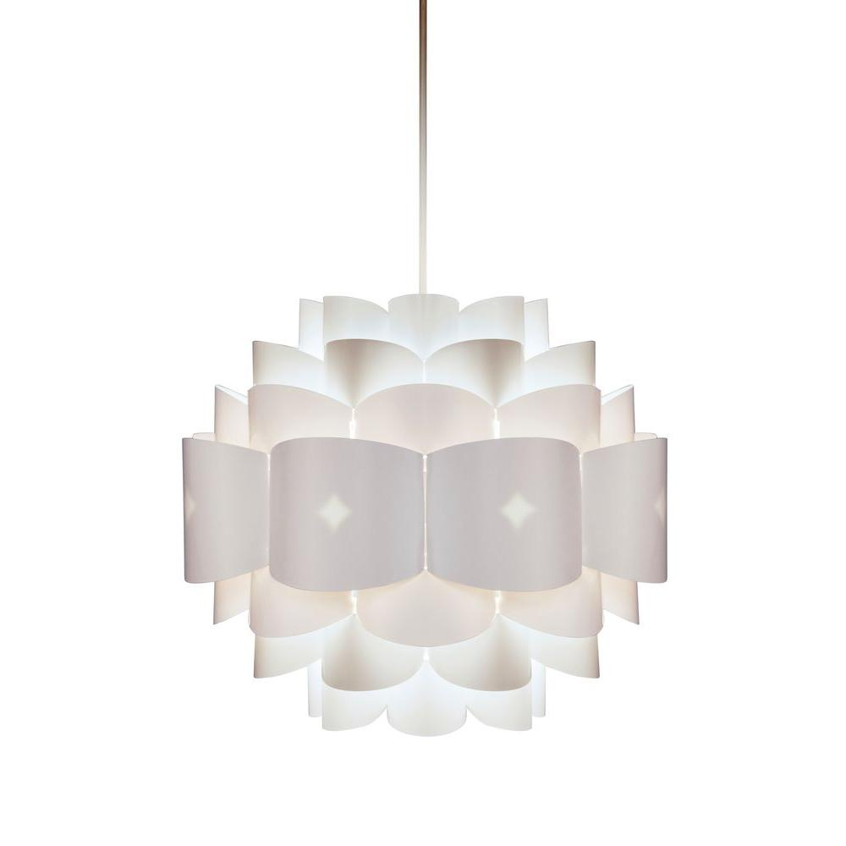 | 108 | 1 | $3,236.76
Hampton Bay | 299440 | 67 in. 5-Arm Silver/Painted Floor Lamp | $51.00 | 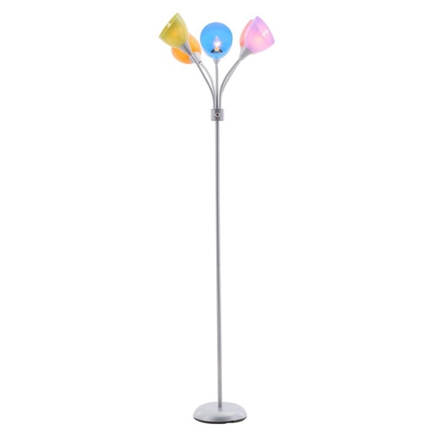 | 64 | 1 | $3,264.00

 |  |  |  |  |  |  | $205,765.17 | Total Retail Retail Value

 |  |  |  |  |  |  | 48 | Pallet count

